EC Study_EU27 data
EU27

Energy subsidies by type

 |  |  | Energy subsidies (€2018bn)
 | Number of interventions | Distribution | 2008 | 2009 | 2010 | 2011 | 2012 | 2013 | 2014 | 2015 | 2016 | 2017 | 2018 | Total 2008/18 | 2008/18 (%) | 2008/18 CAGR (%/y)
Support to energy demand | 507 | 28% | 45.32 | 43.72 | 48.47 | 47.03 | 49.08 | 49.63 | 49.14 | 48.15 | 48.81 | 50.13 | 51.85 | 531.33 | +14% | +2%
Support to energy efficiency | 330 | 18% | 6.87 | 8.65 | 9.57 | 10.40 | 10.03 | 9.31 | 10.86 | 12.19 | 13.23 | 14.55 | 14.74 | 120.41 | +114% | +10%
Support to infrastructure | 70 | 4% | 0.83 | 0.84 | 1.49 | 1.26 | 1.10 | 1.25 | 1.91 | 1.69 | 1.96 | 1.84 | 1.45 | 15.61 | +76% | +7%
Support to production | 518 | 28% | 37.14 | 41.36 | 49.69 | 61.75 | 74.91 | 78.03 | 78.40 | 81.51 | 82.05 | 85.10 | 84.93 | 754.87 | +129% | +11%
Support to R&D | 380 | 21% | 3.46 | 4.17 | 4.71 | 5.23 | 5.16 | 4.99 | 5.63 | 5.72 | 5.31 | 5.40 | 4.55 | 54.33 | +32% | +3%
Support to industry restructuring | 29 | 2% | 1.69 | 2.45 | 2.57 | 2.15 | 1.58 | 1.58 | 1.55 | 1.69 | 1.61 | 1.92 | 1.85 | 20.64 | +9% | +1%
Total | 1834 | 100% | 95.32 | 101.20 | 116.50 | 127.82 | 141.85 | 144.78 | 147.49 | 150.95 | 152.97 | 158.94 | 159.37 | 1,497.18 | +67% | +7%
Energy subsidies by type (€2018bn)

Energy subsidies by category

 |  |  | Energy subsidies (€2018bn)
 | Number of interventions | Distribution | 2008 | 2009 | 2010 | 2011 | 2012 | 2013 | 2014 | 2015 | 2016 | 2017 | 2018 | Total 2008/18 | 2008/18 (%) | 2008/18 CAGR (%/y)
Tax expenditures | 540 | 29% | 49.17 | 48.53 | 53.02 | 51.85 | 53.45 | 52.52 | 51.92 | 51.92 | 53.01 | 54.79 | 57.32 | 577.51 | +17% | +2%
Under-pricing of goods/services | 0 | 0% | 0.00 | 0.00 | 0.00 | 0.00 | 0.00 | 0.00 | 0.00 | 0.00 | 0.00 | 0.00 | 0.00 | 0.00
Direct transfers | 592 | 32% | 9.19 | 11.10 | 12.06 | 12.23 | 11.40 | 11.14 | 13.45 | 13.16 | 13.88 | 14.50 | 14.98 | 137.09 | +63% | +6%
Income or price supports | 329 | 18% | 33.50 | 37.39 | 46.71 | 58.52 | 71.93 | 76.18 | 76.56 | 80.26 | 80.88 | 84.37 | 82.64 | 728.95 | +147% | +12%
RD&D budgets | 373 | 20% | 3.46 | 4.17 | 4.71 | 5.22 | 5.08 | 4.94 | 5.56 | 5.61 | 5.19 | 5.27 | 4.43 | 53.64 | +28% | +3%
Total | 1834 | 100% | 95.32 | 101.20 | 116.50 | 127.82 | 141.85 | 144.78 | 147.49 | 150.95 | 152.97 | 158.94 | 159.37 | 1,497.18 | +67% | +7%
Interventions distribution by category
Energy subsidies by category (€2018bn)

Energy subsidies (€2018bn) by energy carrier

 |  |  | Energy subsidies (€2018bn)
 | Number of interventions | Distribution | 2008 | 2009 | 2010 | 2011 | 2012 | 2013 | 2014 | 2015 | 2016 | 2017 | 2018 | Total 2008/18 | 2008/18 (%) | 2008/18 CAGR (%/y)
All energies | 309 | 17% | 7.71 | 9.25 | 9.86 | 10.65 | 9.78 | 9.18 | 10.87 | 11.88 | 12.06 | 12.30 | 13.16 | 116.70 | +71% | +7%
Fossil fuels | 581 | 32% | 51.43 | 49.58 | 51.80 | 51.01 | 52.74 | 50.38 | 48.13 | 47.24 | 47.87 | 50.73 | 50.24 | 551.15 | -2% | -0%
Coal | 113 | 6% | 10.87 | 10.91 | 11.49 | 10.64 | 10.96 | 10.16 | 10.20 | 10.10 | 9.89 | 9.84 | 9.23 | 114.29 | -15% | -2%
Natural | 129 | 7% | 11.56 | 10.40 | 11.35 | 10.78 | 11.02 | 10.21 | 9.25 | 8.49 | 9.41 | 10.27 | 8.81 | 111.56 | -24% | -3%
Oil | 260 | 14% | 18.80 | 18.36 | 19.25 | 19.68 | 20.27 | 20.73 | 20.16 | 20.22 | 20.74 | 21.91 | 23.46 | 223.56 | +25% | +3%
Heating & cooling | 40 | 2% | 0.41 | 0.71 | 1.46 | 1.82 | 1.90 | 1.42 | 1.77 | 1.72 | 1.91 | 2.41 | 2.43 | 17.96 | +496% | +25%
Nuclear | 39 | 2% | 3.33 | 3.29 | 3.54 | 2.90 | 3.00 | 3.11 | 3.34 | 3.55 | 3.39 | 3.21 | 2.95 | 35.60 | -11% | -1%
Electricity | 191 | 10% | 10.65 | 10.77 | 12.62 | 13.93 | 14.98 | 15.64 | 16.22 | 16.22 | 16.72 | 17.69 | 17.41 | 162.85 | +63% | +6%
Bioenergy | 128 | 7% | 2.11 | 2.33 | 3.20 | 2.45 | 2.43 | 2.26 | 2.16 | 1.99 | 1.96 | 2.04 | 1.97 | 24.90 | -7% | -1%
RES | 504 | 27% | 19.64 | 25.21 | 33.97 | 45.01 | 56.99 | 62.76 | 64.96 | 68.31 | 69.02 | 70.52 | 71.15 | 587.53 | +262% | +17%
Biomass | 116 | 6% | 5.79 | 7.08 | 8.82 | 9.83 | 11.75 | 12.98 | 13.23 | 13.99 | 14.64 | 14.43 | 14.06 | 126.60 | +143% | +12%
Hydropower | 54 | 3% | 1.30 | 1.43 | 1.95 | 1.96 | 1.82 | 2.36 | 3.10 | 2.55 | 3.07 | 2.13 | 2.47 | 24.16 | +90% | +8%
Solar | 89 | 5% | 4.01 | 7.11 | 10.60 | 19.16 | 26.23 | 28.75 | 28.48 | 28.91 | 27.87 | 28.40 | 27.85 | 237.37 | +595% | +27%
Wind | 64 | 3% | 6.35 | 6.40 | 8.34 | 9.70 | 11.79 | 12.89 | 13.80 | 16.74 | 17.42 | 19.77 | 20.47 | 143.67 | +222% | +16%
Others/several RES | 181 | 10% | 2.19 | 3.19 | 4.25 | 4.35 | 5.40 | 5.77 | 6.35 | 6.12 | 6.02 | 5.79 | 6.31 | 55.73 | +188% | +14%
Hydrogen | 38 | 2% | 0.04 | 0.06 | 0.04 | 0.05 | 0.04 | 0.05 | 0.05 | 0.04 | 0.03 | 0.04 | 0.05 | 0.49 | +27% | +3%
Total | 1830 | 100% | 95.32 | 101.20 | 116.50 | 127.82 | 141.85 | 144.78 | 147.49 | 150.95 | 152.97 | 158.94 | 159.37 | 1,497.18 | +67% | +7%
Interventions distribution by category
All energies | 17%
Fossil fuels | 32%
Heating & cooling | 2%
Nuclear | 2%
Electricity | 10%
Bioenergy | 7%
RES | 27%
Hydrogen | 2%
Energy subsidies by category (€2018bn)

Support by sector

 |  |  | Energy subsidies (€2018bn)
 | Number of interventions | Distribution | 2008 | 2009 | 2010 | 2011 | 2012 | 2013 | 2014 | 2015 | 2016 | 2017 | 2018 | Total 2008/18 | 2008/18 (%) | 2008/18 CAGR (%/y)
Energy sector | 934 | 51% | 42.60 | 48.40 | 58.25 | 69.44 | 81.24 | 84.21 | 86.62 | 90.00 | 90.41 | 93.95 | 92.05 | 837.18 | +116% | +10%
Energy sector as a whole | 404 | 22% | 4.08 | 4.82 | 5.44 | 6.22 | 5.91 | 5.72 | 6.39 | 6.58 | 6.14 | 6.58 | 5.69 | 63.57 | +39% | +4%
Fossil fuel extraction | 20 | 1% | 3.49 | 3.73 | 3.75 | 3.30 | 2.56 | 2.42 | 2.45 | 2.31 | 2.30 | 1.96 | 1.84 | 30.09 | -47% | -8%
Energy crops | 4 | 0% | 0.07 | 0.07 | 0.07 | 0.09 | 0.10 | 0.12 | 0.13 | 0.12 | 0.13 | 0.14 | 0.13 | 1.16 | +99% | +9%
Conversion | 10 | 1% | 0.13 | 0.15 | 0.15 | 0.15 | 0.16 | 0.18 | 0.17 | 0.17 | 0.17 | 0.17 | 0.17 | 1.77 | +23% | +3%
Conversion-Refining | 3 | 0% | 0.30 | 0.31 | 0.30 | 0.27 | 0.25 | 0.27 | 0.32 | 0.36 | 0.47 | 0.48 | 0.53 | 3.86 | +79% | +8%
Conversion-LNG | 2 | 0% | 0.00 | 0.00 | 0.33 | 0.15 | 0.07 | 0.08 | 0.52 | 0.03 | 0.23 | 0.35 | 0.02 | 1.79
Conversion-CHP | 75 | 4% | 10.85 | 10.60 | 11.09 | 11.27 | 12.11 | 8.39 | 7.25 | 7.32 | 7.53 | 8.11 | 8.08 | 102.60 | -25% | -4%
Conversion-Electricity production | 314 | 17% | 22.25 | 26.79 | 34.93 | 46.01 | 58.17 | 65.11 | 67.31 | 70.51 | 70.58 | 72.92 | 72.66 | 607.23 | +227% | +16%
Conversion-Heating & Cooling | 36 | 2% | 0.59 | 1.10 | 0.93 | 0.77 | 0.75 | 0.68 | 0.56 | 0.53 | 0.61 | 0.86 | 0.73 | 8.11 | +23% | +3%
Conversion-Liquid biofuels | 0 | 0% | 0.00 | 0.00 | 0.00 | 0.00 | 0.00 | 0.00 | 0.00 | 0.00 | 0.00 | 0.00 | 0.00 | 0.00
Conversion-Biogas production | 6 | 0% | 0.00 | 0.00 | 0.00 | 0.00 | 0.00 | 0.00 | 0.01 | 0.03 | 0.10 | 0.18 | 0.22 | 0.55
Conversion-Hydrogen production | 0 | 0% | 0.00 | 0.00 | 0.00 | 0.00 | 0.00 | 0.00 | 0.00 | 0.00 | 0.00 | 0.00 | 0.00 | 0.00
Infrastructure | 7 | 0% | 0.06 | 0.06 | 0.06 | 0.06 | 0.06 | 0.05 | 0.14 | 0.05 | 0.06 | 0.07 | 0.09 | 0.76 | +54% | +6%
Infra-Transmission | 7 | 0% | 0.00 | 0.00 | 0.00 | 0.03 | 0.06 | 0.06 | 0.04 | 0.09 | 0.18 | 0.01 | 0.04 | 0.51
Infra-Distribution | 12 | 1% | 0.00 | 0.03 | 0.05 | 0.05 | 0.05 | 0.03 | 0.01 | 0.02 | 0.01 | 0.05 | 0.03 | 0.33
Infra-T&D | 9 | 0% | 0.00 | 0.00 | 0.00 | 0.00 | 0.00 | 0.00 | 0.01 | 0.01 | 0.01 | 0.01 | 0.01 | 0.04
Infra-Storage | 2 | 0% | 0.00 | 0.00 | 0.00 | 0.00 | 0.00 | 0.00 | 0.00 | 0.02 | 0.02 | 0.02 | 0.01 | 0.07
Assets decommissioning | 14 | 1% | 0.73 | 0.68 | 0.90 | 0.77 | 0.67 | 0.69 | 0.84 | 1.26 | 1.20 | 1.11 | 0.87 | 9.72 | +19% | +2%
Waste management | 5 | 0% | 0.00 | 0.00 | 0.13 | 0.19 | 0.21 | 0.27 | 0.33 | 0.39 | 0.45 | 0.76 | 0.81 | 3.57 | +22171% | +97%
Retail | 4 | 0% | 0.06 | 0.06 | 0.11 | 0.11 | 0.11 | 0.13 | 0.15 | 0.22 | 0.21 | 0.18 | 0.12 | 1.46 | +115% | +10%
Agriculture | 73 | 4% | 4.51 | 4.63 | 4.70 | 5.49 | 5.07 | 5.13 | 4.97 | 4.64 | 4.83 | 4.89 | 4.95 | 53.81 | +10% | +1%
Construction | 2 | 0% | 0.42 | 0.38 | 0.36 | 0.56 | 0.51 | 0.52 | 0.45 | 0.52 | 0.53 | 0.48 | 0.54 | 5.29 | +27% | +3%
Mining | 20 | 1% | 0.30 | 0.27 | 0.38 | 0.41 | 0.39 | 0.42 | 0.44 | 0.54 | 0.64 | 0.86 | 0.59 | 5.26 | +97% | +9%
Industry | 151 | 8% | 18.80 | 18.10 | 18.73 | 17.40 | 19.08 | 18.93 | 19.33 | 18.35 | 18.40 | 19.30 | 20.14 | 206.55 | +7% | +1%
Transport | 178 | 10% | 10.52 | 10.06 | 10.82 | 10.58 | 11.21 | 11.25 | 11.05 | 11.05 | 11.47 | 12.14 | 13.06 | 123.21 | +24% | +3%
Transport as a whole | 10 | 1% | 0.12 | 0.14 | 0.16 | 0.14 | 0.15 | 0.03 | 0.03 | 0.03 | 0.03 | 0.04 | 0.03 | 0.89 | -74% | -16%
Air transport | 30 | 2% | 3.84 | 3.53 | 3.54 | 3.83 | 3.63 | 3.52 | 3.48 | 3.58 | 3.77 | 3.96 | 3.88 | 40.55 | +1% | +0%
Rail transport | 27 | 1% | 1.20 | 1.15 | 1.16 | 1.26 | 0.92 | 1.11 | 1.05 | 0.88 | 0.90 | 0.76 | 0.73 | 11.10 | -39% | -6%
Road transport | 63 | 3% | 3.46 | 3.47 | 4.14 | 3.65 | 4.64 | 4.91 | 4.85 | 4.87 | 5.08 | 5.71 | 6.79 | 51.57 | +96% | +9%
Water transport | 38 | 2% | 1.81 | 1.67 | 1.72 | 1.62 | 1.79 | 1.60 | 1.55 | 1.59 | 1.59 | 1.59 | 1.54 | 18.09 | -15% | -2%
Public transport | 10 | 1% | 0.09 | 0.09 | 0.10 | 0.09 | 0.09 | 0.10 | 0.10 | 0.10 | 0.09 | 0.08 | 0.09 | 1.01 | -5% | -1%
Services | 6 | 0% | 0.17 | 0.16 | 0.16 | 0.13 | 0.14 | 0.14 | 0.15 | 0.14 | 0.14 | 0.13 | 0.12 | 1.59 | -28% | -4%
Business | 44 | 2% | 1.17 | 0.98 | 1.01 | 1.07 | 1.07 | 1.05 | 1.45 | 1.29 | 1.31 | 1.37 | 1.45 | 13.23 | +23% | +3%
Households | 209 | 11% | 13.22 | 14.19 | 16.44 | 15.61 | 15.36 | 15.59 | 15.94 | 16.64 | 17.35 | 16.42 | 17.09 | 173.83 | +29% | +3%
Public | 65 | 4% | 0.62 | 0.53 | 0.77 | 0.78 | 0.90 | 0.79 | 0.75 | 0.70 | 0.70 | 0.37 | 0.39 | 7.30 | -38% | -6%
Cross sectors | 137 | 7% | 2.59 | 3.20 | 4.47 | 5.92 | 6.44 | 6.30 | 6.15 | 6.94 | 7.04 | 8.90 | 8.87 | 66.82 | +242% | +17%
- | 0 | 0% | 0.000 | 0.000 | 0.000 | 0.000 | 0.000 | 0.000 | 0.000 | 0.000 | 0.000 | 0.000 | 0.000 | 0.00
Cross sectors | 137 | 7% | 2.591 | 3.203 | 4.467 | 5.921 | 6.435 | 6.298 | 6.148 | 6.936 | 7.040 | 8.904 | 8.875 | 66.82 | +242% | +17%
Total | 3501 | 191% | 94.94 | 100.89 | 116.10 | 127.42 | 141.41 | 144.33 | 147.29 | 150.80 | 152.83 | 158.81 | 159.26 | 1,494.07 | +68% | +7%

Interventions distribution by category
Energy sector | 934
Agriculture | 73
Construction | 2
Mining | 20
Industry | 151
Transport | 178
Services | 6
Business | 44
Households | 209
Public | 65
Cross sectors | 137
Energy subsidies by sector (€2018bn)

EC Study_EU27 Figures
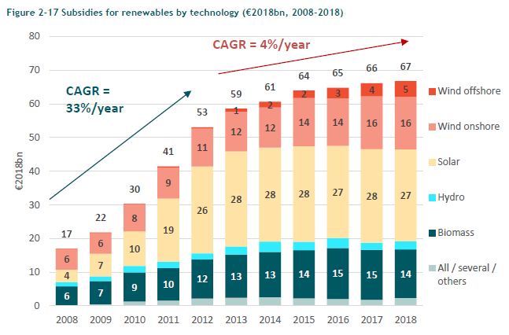
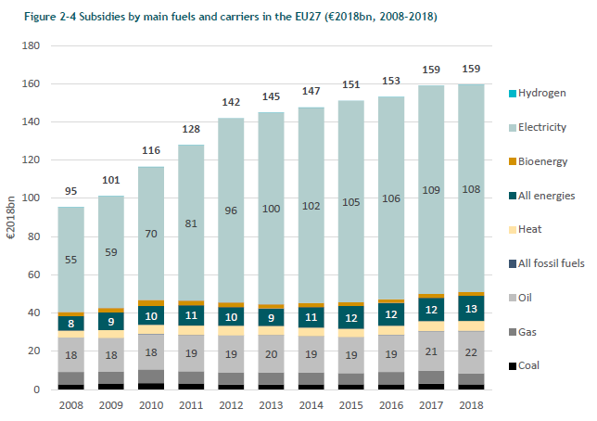
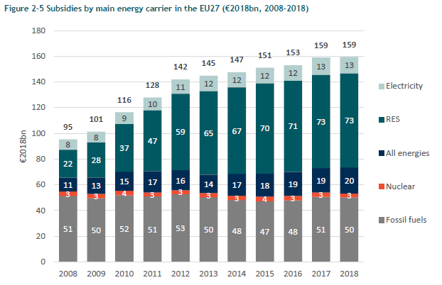

 | 2018 Subsidies (billion 2018 Euro) |  |  |  |  | 2018 Subsidies (billion 2018 Euro) |  |  |  | 2018 Subsidies (billion 2018 Euro)
Offshore Wind | 5 |  |  |  | Coal | 2.5 |  |  | Electricity | 13
Onshore Wind | 16 |  |  |  | Gas | 6.0 |  |  | RES | 73
Solar | 27.85 | see EC Study_EU27 sheet |  |  | Oil | 22 |  |  | All energies | 20
Hydro | 2.47 | see EC Study_EU27 sheet |  |  | All fossil fuels | 0 |  |  | Nuclear | 3
Biomass | 14.06 | see EC Study_EU27 sheet |  |  | Heat | 5.5 | Pixel conversion |  | Fossil fuels | 50
Other/Various | 6.31 | see EC Study_EU27 sheet |  |  | All energy sources | 13 | 322 | pixels
 |  |  |  |  | Bioenergy | 2.0 | 160 | billion 2018 EUR
 |  |  |  |  | Electricity | 108
 |  |  |  |  | Hydrogen | 0
 |  |  |  |  | Total | 159

 |  |  |  |  | Electricity Share | 68%

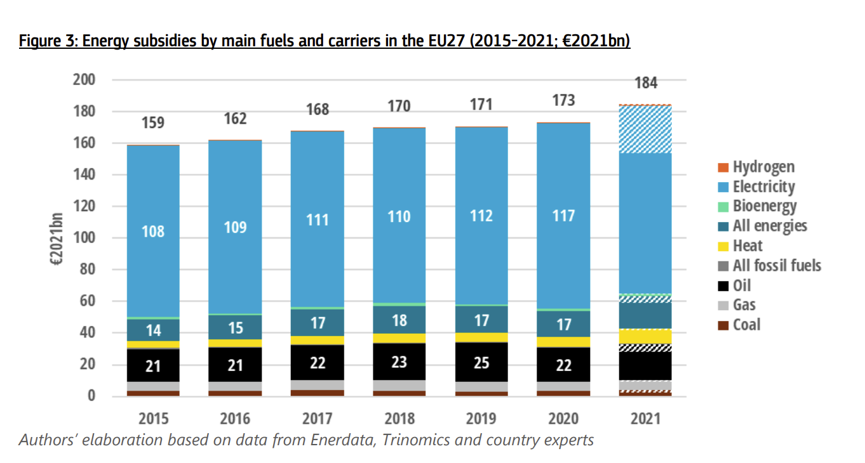
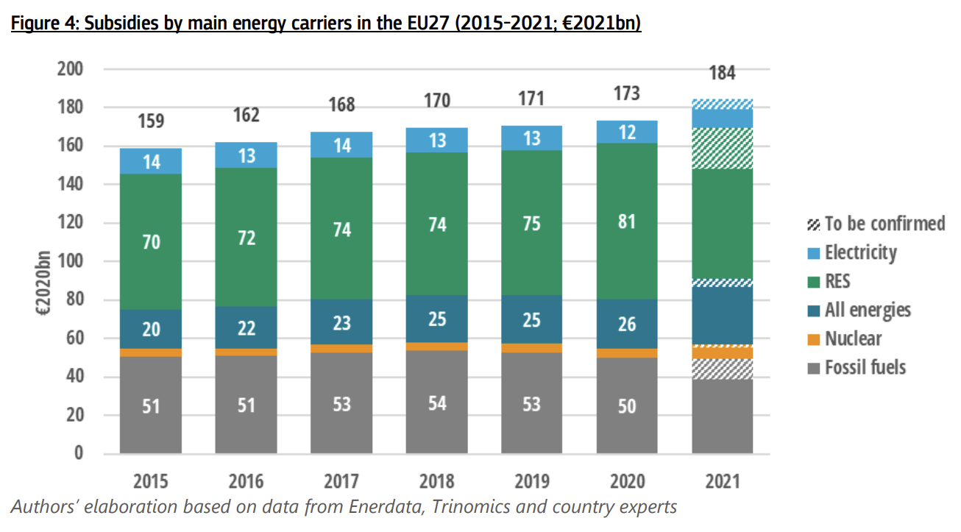
 |  |  |  | 2022 Edition Figure Updates (No changes to fossil fuel spending)
Fossil Fuel Subsidy Breakdown
 | 2018 Subsidies (billion 2018 Euro) | % Share
Fuel Subsidies | 30.4 | 61%
Electricity Subsidies | 19.6 | 39%

 | Electricity | Fuel | Coal-Gas Fuel Subsidy Ratio
Coal | 5.8 | 2.5 | 29%
Gas | 13.8 | 6.0 | 71%
Oil | 0 | 22.0

Total FF Subsidies | 50.0 | ok

 |  |  |  |  |  | 2020 Subsidies (billion 2021 Euro) |  |  |  |  |  | 2020 Subsidies (billion 2021 Euro)
 |  |  |  |  | Coal |  |  |  |  |  | Electricity | 12
 |  |  |  |  | Gas |  |  |  |  |  | RES | 81
 |  |  |  |  | Oil | 22 |  |  |  |  | All energies | 26
 |  |  |  |  | All fossil fuels |  |  |  |  |  | Nuclear
 |  |  |  |  | Heat |  |  |  |  |  | Fossil fuels | 50
 |  |  |  |  | All energy sources | 17
 |  |  |  |  | Bioenergy
 |  |  |  |  | Electricity | 117
 |  |  |  |  | Hydrogen
 |  |  |  |  | Total | 173

 |  |  |  |  | Electricity Share | 68%

EC Study_UK Figures
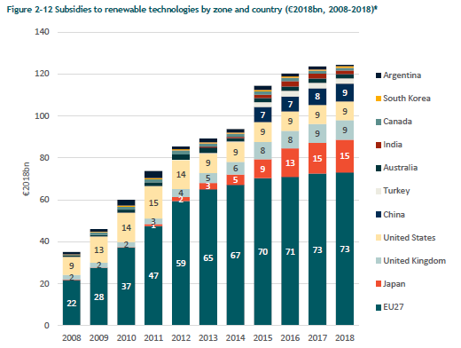
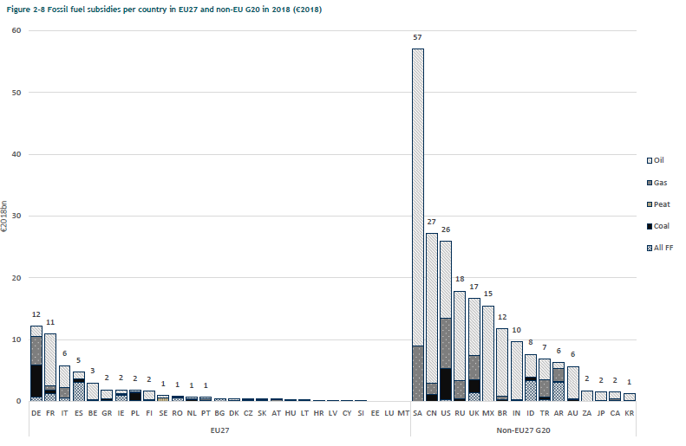

 |  |  |  | 1.02 | 2017 to 2018 EUR conversion factor
 |  |  |  |  | https://ec.europa.eu/eurostat/databrowser/view/prc_hicp_aind/default/table?lang=en

 |  |  |  | Nuclear Subsidies
 |  |  |  |  | 2008 | 2009 | 2010 | 2011 | 2012 | 2013 | 2014 | 2015 | 2016
 |  |  |  | EU27 (billion 2018 EUR) | 3 | 3 | 4 | 3 | 3 | 3 | 3 | 4 | 3 | see EC Study_EU27 Figures sheet
 |  |  |  | EU28 (billion 2017 EUR) | 4 | 4 | 4 | 4 | 4 | 4 | 5 | 5 | 5 | from table above
 |  |  |  | EU28 (billion 2018 EUR) | 4.08 | 4.08 | 4.08 | 4.08 | 4.08 | 4.08 | 5.1 | 5.1 | 5.1

 | 2018 RE Subsidies (billion 2018 EUR) |  |  | EU27 to EU28 scaling factor | 1.36 | 1.36 | 1.02 | 1.36 | 1.36 | 1.36 | 1.7 | 1.275 | 1.7
UK | 9 |  |  | Avg EU27 to EU28 scaling factor | 1.39
EU27 | 73
Total | 82

EU27 to EU28 scaling factor | 1.12

 |  |  | 2018 FF Subsidies (billion 2018 EUR)
 |  | EU27 | 50
 |  | UK | 17
 |  | Total | 67

 |  | EU27 to EU28 scaling factor | 1.34

